Eingabe
 | M-N-Interaktion |  | Ed |  | Rd
-8 | 8448 | 1500.0 | 1000.0 | 1698.1 | 1000.0
181 | 7978
491 | 7169
931 | 5992
968 | 5887
1003 | 5782
1038 | 5676
1072 | 5570
1143 | 5341
1208 | 5123
1267 | 4911
1322 | 4708
1372 | 4513
1419 | 4325
1462 | 4144
1502 | 3969
1539 | 3799
1574 | 3635
1607 | 3476
1636 | 3325
1658 | 3194
1679 | 3067
1698 | 2943
1715 | 2824
1732 | 2707
1748 | 2594
1763 | 2484
1777 | 2377
1790 | 2273
1800 | 2197
1800 | 2179
1798 | 2110
1796 | 2043
1794 | 1978
1791 | 1916
1788 | 1855
1785 | 1797
1781 | 1740
1777 | 1685
1773 | 1632
1769 | 1580
1764 | 1530
1760 | 1481
1755 | 1434
1750 | 1388
1745 | 1343
1740 | 1299
1735 | 1257
1729 | 1216
1724 | 1176
...
...
cm

cm

1360 |  | N/mm² |  |  | ; | Ep | = | 195000 |  |  | N/mm²

= | fp0,1k / 1,15 |  |  |  | = | 1182.6 |  |  | N/mm²

= | 0,9 * εuk |  |  | = | 31.5 |  | ‰
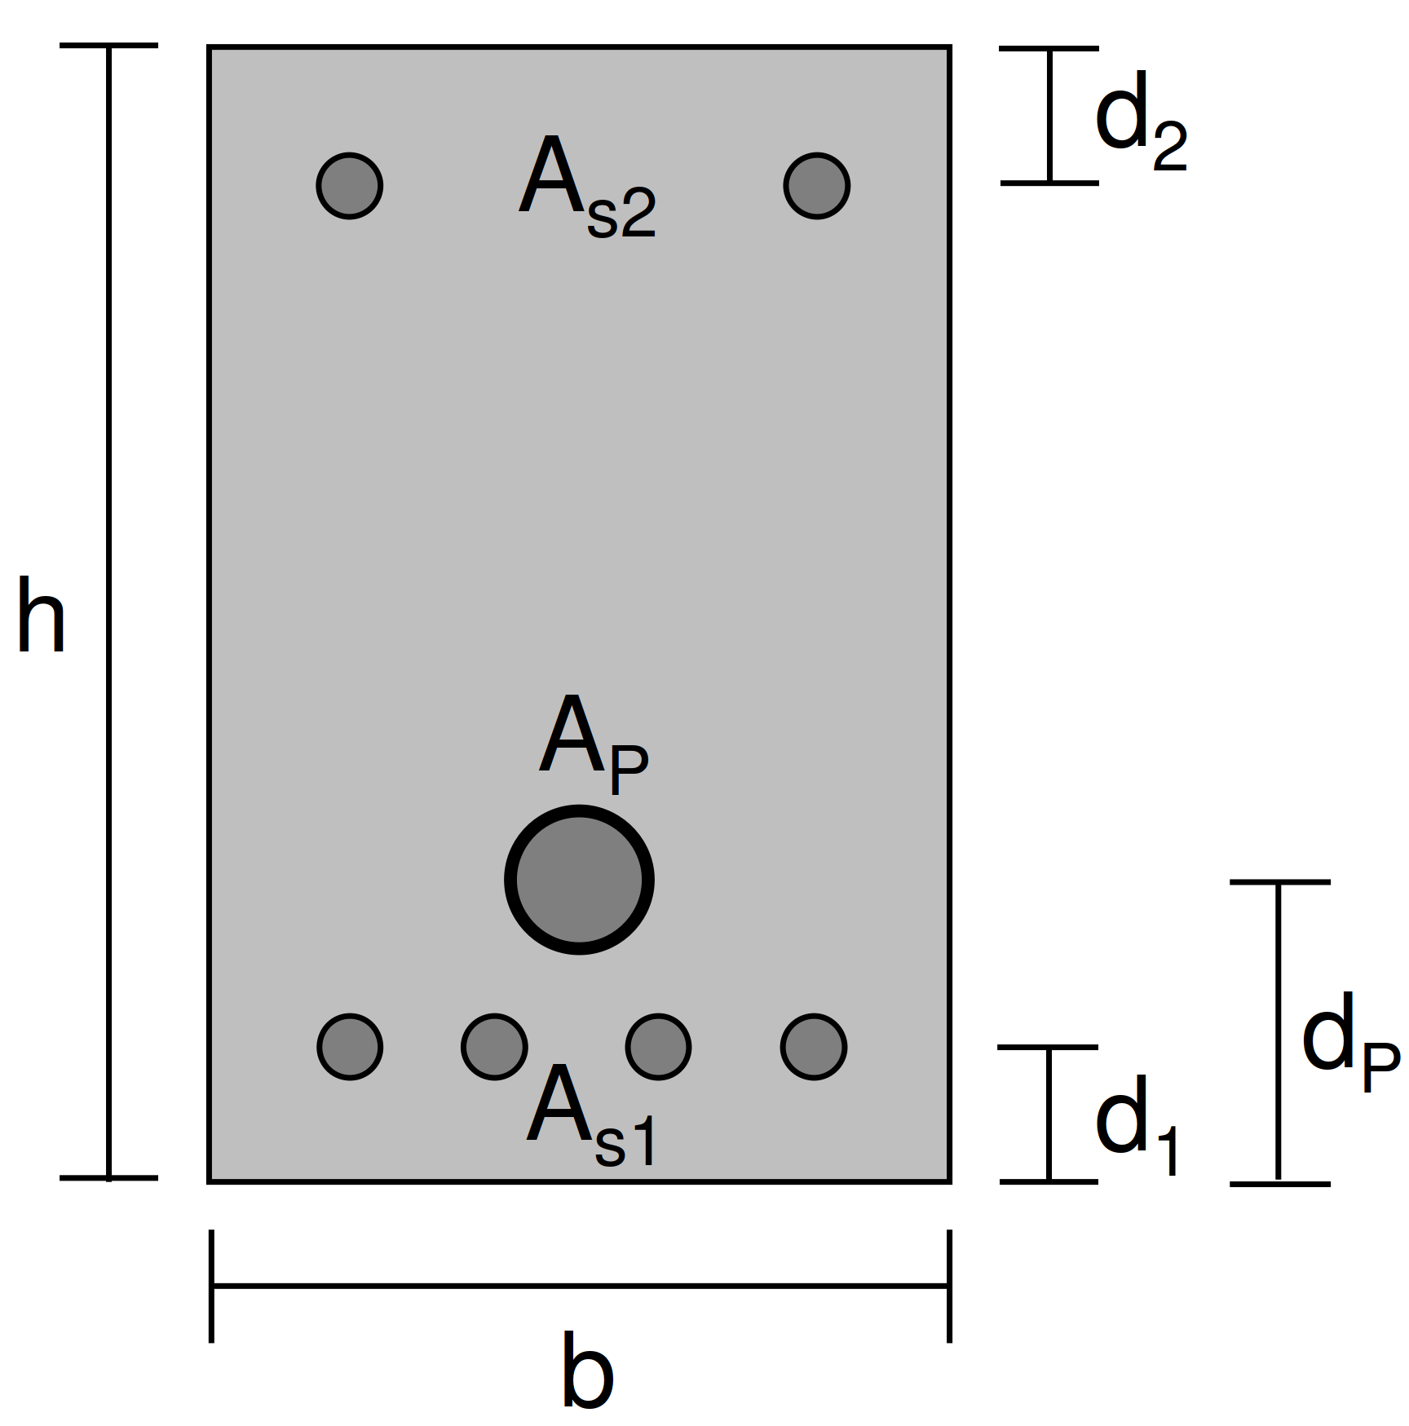
 | cm
...
 | = | 1500.0 |  |  | kNm

εp(0) |  | = | ( P / Ap ) / Ep |  |  |  |  | = | 5.1282051282 |  | ‰

εpd |  | = | fpd / Ep |  |  | = | 6.06 |  | ‰
...
 | = | 1000.0 |  |  | kN

 |  |  |  |  |  |  |  |  |  | = | 1698.1 | kNm

 |  |  |  |  |  |  |  |  |  |  | ‰

 |  |  |  |  |  |  |  |  |  |  | kN

 |  |  |  |  |  |  |  |  |  |  | kN

 |  |  |  |  |  |  |  |  |  |  | cm
...

